"How To"
AddOn Tool Multiple Packages "How To" Guide Using this Spreadsheet |  |  |  |  |  |  |  | v6.2 | Update Log Information
"How To" Guides >> |  | AddOn Tool Multiple Package Guide |  | Adding CD Based Games |  |  | Adding ScummVM Games | If you have any questions, please feel free to reach out to me on FB, or by email at: JasonFancher@gmail.com

>> | Setup the correct Folder structure, as pictured below. NOTE: If these folders are not labeled as displayed, it will cause errors when running the build. |  |  |  |  |  |  | v6.2 | - Added two new file extensions associated with the mednafen_ngp_libretro core (.ngp & .ncp)
 | 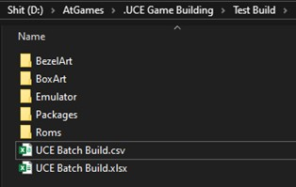 |  | Here is a breakdown of how the folder structue should be set up:
 |  |  | * | Main Folder |  | This can be named anything you want |  | v6.1 | - Added functionality to create Intellivision UCE's
 |  |  |  | * | BezelArt | Folder must have this exact name with no spaces between
 |  |  |  | * | BoxArt | Folder must have this exact name with no spaces between |  | v5.4 | - Added two new file extensions associated with QuickNES core (.dat), both SNES cores (.fig), and the ColecoVision core (.cv)
 |  |  |  | * | Emulator | Folder must have this exact name
 |  |  |  | * | Packages | Folder must have this exact name |  | v5.3 | - Added functionality to create Neo Geo CD UCE's
 |  |  |  | * | Roms | Folder must have this exact name |  |  | - Added Neo Geo CD to the "How To" tab to help with file structure and setup

 |  |  |  |  |  |  |  | v5.2 | - Added "Use All Generic Bezel" feature to populate all packages at once
>> | !!WARNING: DO NOT RENAME MAME FILES!! Use the MAME ROM file name when adding box art and bezel art to the folders. MAME ROM's are the only ROM's in which you do not want to rename. Examples shown below. Names will be resolved for MAME ROM's in later steps. |  |  |  |  |  |  |  | - Added UCE Build (Manual) tab for manual entries in all fields, full Core pull down list still accessible
 |  |  |  |  |  |  |  |  | - Added Quick Navigation Links on each "How To" tab for quicker access
 |  |  |  |  |  |  |  |  | - Fixed misc. backend coding that were causing minor bugs
 |  |  |  |  |  |  |  | v5.2
 |  |  |  |  |  |  |  | v5.1 | - Added functionality to create TurboGrafx CD UCE's
 |  |  |  |  |  |  |  |  | - Added TurboGrafx CD to the Sega CD "How To" tab to help with file structure and setup
 |  |  |  |  |  |  |  |  | - Completely restructured nested formulas to create an Excel 2003 Compatible spreadsheet

>> | All image files must have the EXACT name as the ROM and be in PNG format. Example: ROM- Contra.nes / BoxArt- Contra.png / BezelArt- Contra.png Dimensions for images: Box Art (222 x 306) Bezel Art (1280 x 720) Resize Images Online -----> https://bulkresizephotos.com/en |  |  |  |  |  |  | v4.2 | - Added functionality to create Amiga, Odyssey 2 and ScummVM UCE's
 |  |  |  |  |  |  |  |  | - Added ScummVM "How To" tab to help with file structure and setup
 |  |  |  |  |  |  |  |  | - Fixed misc. backend coding that were causing minor bugs
>> | Click on the “ROM List” tab at the bottom, as pictured below. At the top of the page you will see "Copied ROM File Paths", as pictured below.
 | 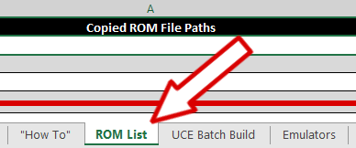 |  |  |  |  | 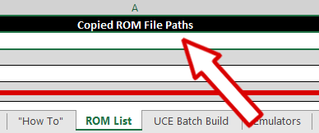 |  | v4.1 | - Added functionality to create Atari 800 and Sega CD UCE's
 |  |  |  |  |  |  |  |  | - Added Sega CD "How To" tab to help with file structure and setup
 |  |  |  |  |  |  |  |  | - Completely restructured all backend coding to condense file size and smoother function

 |  |  |  |  |  |  |  | v3.2 | - Added ability to remove excess text from package names instead of renaming ROM files, ie. Country Codes and Publisher
 |  |  |  |  |  |  |  |  | - Fixed backend coding to correct file name stripping when the file name contained more than one period (.)
 |  |  |  |  |  |  |  |  | - Fixed misc. backend coding that were causing bugs
>> | Go into the "Roms" folder, select all files you want to include. Click the "Home" tab up top and select "Copy Path", as pictured below.
 | 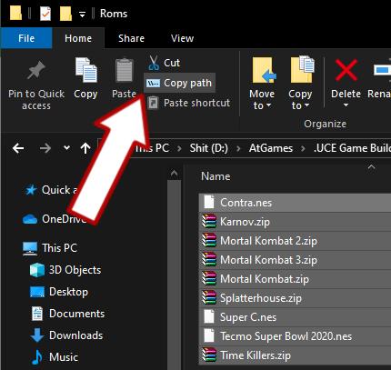 |  |  |  |  |  |  | v3.1 | - **BUG** Due to MAME Core configurations, MAME .zip files should not be renamed
 |  |  |  |  |  |  |  |  | - **FIX** Added MAME ROM internal lookup to populate the game title based on .ZIP file name
 |  |  |  |  |  |  |  |  | - In conjunction with MAME lookup, arcade "Generic Bezel" will select Horizontal or Verticle based on rom file
 |  |  |  |  |  |  |  |  | - Implemented conditional formatting for "Package" column cells to turn RED until a Core has been selected
 |  |  |  |  |  |  |  |  | - Updated "How To" page to include new feature
 |  |  |  |  |  |  |  |  | - Fixed backend coding to correct file name stripping when the file name contained more than one period (.)

 |  |  |  |  |  |  |  | v2.1 | - Added "Generic Bezel" feature for ROM's that may not have a bezel
 |  |  |  |  |  |  |  |  | - Updated "How To" page to include new feature
 |  |  |  |  |  |  |  |  | - Fixed backend coding that were causing bugs

 |  |  |  |  |  |  |  | v1.3 | - Now includes the system to the end of the UCE package name in parenthesis
 |  |  |  |  |  |  |  |  | - Fixed backend coding that were causing bugs
>> | Right-click on line 2 of the spreadsheet and select "Paste", as pictured below. You should see the full path of every file, as pictured below.
 | 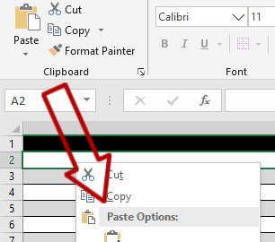 |  |  |  | 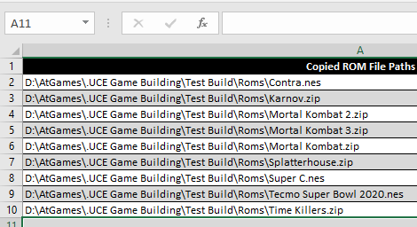 |  |  | v1.2 | - Removed "AddOn_" from the package name created due to naming issues within the LUA
 |  |  |  |  |  |  |  |  | - Fixed backend coding that were causing bugs

 |  |  |  |  |  |  |  | v1.1 | - Changed coding to populate bezel art and box art file name to be the same as the ROM name
 |  |  |  |  |  |  |  |  | - Fixed backend coding that were causing bugs

>> | Go to the "UCE Batch Build" tab within the spreadsheet, as pictured below.

>> | All packages that still need a core selected will be RED and have *Select a Core*. Notice the MAME ROM's package name, pictured below.
 | 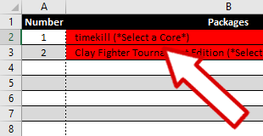

>> | Under the "Emulator" column you can select the Core you would like to use that is associated with the ROMS file extension, as pictured below.
 | 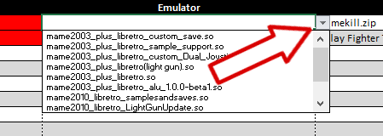

>> | Once a core is selected the Package cell will no longer be red, the system used will populate, and for MAME ROM's the correct game title will also populate, as pictured below. Also for MAME ROM's, if using the generic bezel, it will choose verticle or horizontal by game automatically.

 | 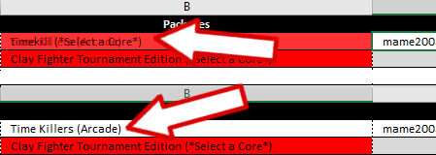

>> | If you want to remove excess text like Country Codes or Publisher names prior to build, select the checkbox, as pictured below.
 | 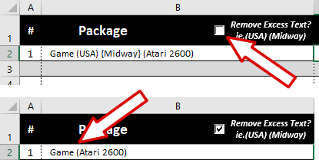

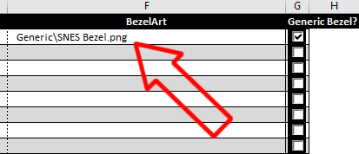
>> | If you do not have a bezel, select the "Generic Bezel" checkbox and the cores generic bezel will be substituted, as pictured below.
 | 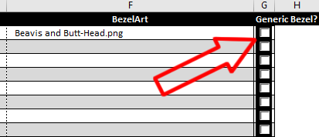

>> | Select "Save As" while on the "UCE Batch Build" tab, and then Select "CSV UTF-8" from the drop down list, as pictured below. If you try to "Save" the file normally, you will get a "Read-Only" warning, and this is to prevent any issues within the original file.

 |  |  | NOTE: You will get two warning messages:
 |  |  | 1) "The selected file type does not support workbooks that contain multiple sheets", select "Ok".
 |  |  | 2) "Some features in your workbook might be lost if you save it as a CSV UTF-8", select "Yes"

>> | Now open the AddOn Tool v2.24 or higher, select "Multiple Packages", click "Open" (step 1) and find the file labeled "UCE Batch Build.csv". After it is loaded in, click "Build Package" (step 2), as pictured below. Once done, every UCE created will be under the "Packages" folder.

 | 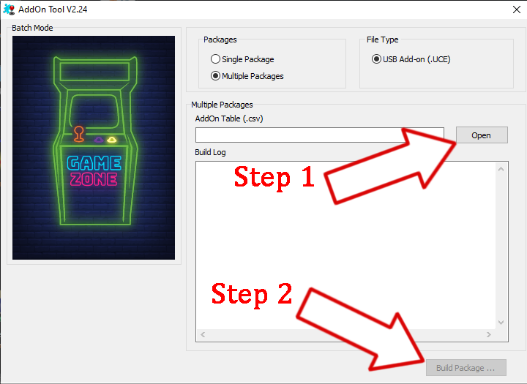

UCE Batch Build
Remove Excess Text? ie.(USA) (Midway)
Use All
Generic Bezels?
Generic Bezel?
# | Package | Emulator | ROM | BoxArt | BezelArt

Adding ScummVM Games
Adding ScummVM Games "How To" Guide
"How To" Guides >> |  |  | AddOn Tool Multiple Package Guide |  |  |  | Adding CD Based Games |  | Adding ScummVM Games

>> | Setup the correct Folder structure, as pictured below. NOTE: If these folders are not labeled as displayed, it will cause errors when running the UCE.
 | * | USB Thumb Drive |  | Root of USB Thumb Drive
 |  | * | /ScummVM |  | This is where you will put the UCE files, this folder can be named anything you want
 |  | * | /content |  | Folder must have this exact name, this is CASE sensetive
 |  |  | * | /ports | Folder must have this exact name, this is CASE sensetive
 |  |  |  | * | /ScummVM |  | Folder must have this exact name, this is CASE sensetive
 |  |  |  |  | * | /*Game Name* |  | - This folder's name must match the .CUE file name EXACTLY without the extension - Place the .BIN and .CUE files for the game in this folder

>> | For ScummVM games, include an empty file with the same name as the "Game" folder as the "ROM" when building the UCE file. The UCE will go into the primary "/ScummVM" folder.

>> | To do this, create a "Text Document", rename it to be the same as the "Game" folder and then delete the .TXT extension before hitting enter. If done properly, you should see the file type is just "File" and size is "0 KB", examples shown below.

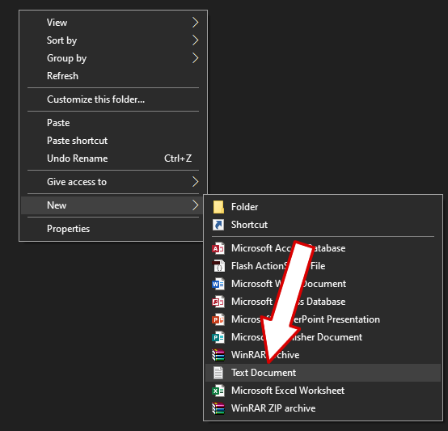
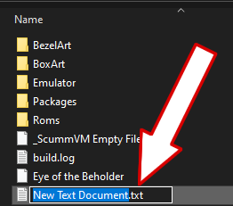
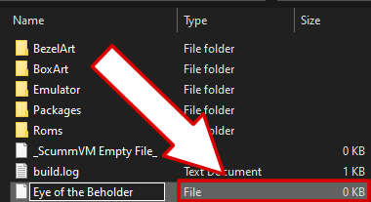

>> | All game data needs to be copied in the folder inside "/content/ports/ScummVM/*Game Name*/" on your USB Thumb Drive.

>> | The folder name must match the empty files name. For example for "Eye of the Beholder" create this folder on your USB "/content/ports/ScummVM/Eye of the Beholder/" and put all of the game files in there.

>> | START button opens the ScummVM options menu. A act as the left mouse click.

